1. Outcome of Campaign Categ.'s
country | (All)

Count of outcome | Column Labels
Row Labels | successful | live | failed | canceled | Grand Total
film & video | 300 |  | 180 | 40 | 520
food | 34 | 6 | 140 | 20 | 200
 | successful | live | failed | canceled
film & video | 300 |  | 180 | 40
food | 34 | 6 | 140 | 20
games | 80 |  | 140
journalism |  |  |  | 24
music | 540 | 20 | 120 | 20
photography | 103 |  | 117
publishing | 80 |  | 127 | 30
technology | 209 |  | 213 | 178
theater | 839 | 24 | 493 | 37
games | 80 |  | 140 |  | 220
journalism |  |  |  | 24 | 24
music | 540 | 20 | 120 | 20 | 700
photography | 103 |  | 117 |  | 220
publishing | 80 |  | 127 | 30 | 237
technology | 209 |  | 213 | 178 | 600
theater | 839 | 24 | 493 | 37 | 1393
Grand Total | 2185 | 50 | 1530 | 349 | 4114

2. Outcome of Sub-Categories
Sub-Categories of Campaign Types vs Count of Outcomes
 | successful | live | failed | canceled
animation |  |  | 100
art books |  |  |  | 20
audio |  |  |  | 24
children's books |  |  | 40
classical music | 40
documentary | 180
drama |  |  | 80
electronic music | 40
faith |  | 20 | 40
fiction |  |  | 40
food trucks |  |  | 120 | 20
gadgets |  |  | 20
hardware | 140
indie rock | 140 |  | 20
jazz |  |  | 60
makerspaces | 9 |  | 11
metal | 20
mobile games |  |  | 40
musical | 60 |  | 60 | 20
nature |  |  | 20
nonfiction | 60
people |  |  | 20
photobooks | 103 |  | 57
places |  |  | 20
plays | 694 | 19 | 353
pop | 40
radio & podcasts | 20
restaurants |  |  | 20
rock | 260
science fiction |  |  |  | 40
shorts | 60
small batch | 34 | 6
space exploration | 40 |  | 2 | 18
spaces | 85 | 5 | 80 | 17
tabletop games | 80
television | 60
translations |  |  | 47 | 10
video games |  |  | 100
wearables | 20 |  | 120 | 60
web |  |  | 60 | 100
world music |  |  |  | 20
country | (All) |  |  | I am not sure how to change the order of the outcomes displayed in table
Parent Category | (All)

Count of outcome | Column Labels
Row Labels | successful | live | failed | canceled | Grand Total
animation |  |  | 100 |  | 100
art books |  |  |  | 20 | 20
audio |  |  |  | 24 | 24
children's books |  |  | 40 |  | 40
classical music | 40 |  |  |  | 40
documentary | 180 |  |  |  | 180
drama |  |  | 80 |  | 80
electronic music | 40 |  |  |  | 40
faith |  | 20 | 40 |  | 60
fiction |  |  | 40 |  | 40
food trucks |  |  | 120 | 20 | 140
gadgets |  |  | 20 |  | 20
hardware | 140 |  |  |  | 140
indie rock | 140 |  | 20 |  | 160
jazz |  |  | 60 |  | 60
makerspaces | 9 |  | 11 |  | 20
metal | 20 |  |  |  | 20
mobile games |  |  | 40 |  | 40
musical | 60 |  | 60 | 20 | 140
nature |  |  | 20 |  | 20
nonfiction | 60 |  |  |  | 60
people |  |  | 20 |  | 20
photobooks | 103 |  | 57 |  | 160
places |  |  | 20 |  | 20
plays | 694 | 19 | 353 |  | 1066
pop | 40 |  |  |  | 40
radio & podcasts | 20 |  |  |  | 20
restaurants |  |  | 20 |  | 20
rock | 260 |  |  |  | 260
science fiction |  |  |  | 40 | 40
shorts | 60 |  |  |  | 60
small batch | 34 | 6 |  |  | 40
space exploration | 40 |  | 2 | 18 | 60
spaces | 85 | 5 | 80 | 17 | 187
tabletop games | 80 |  |  |  | 80
television | 60 |  |  |  | 60
translations |  |  | 47 | 10 | 57
video games |  |  | 100 |  | 100
wearables | 20 |  | 120 | 60 | 200
web |  |  | 60 | 100 | 160
world music |  |  |  | 20 | 20
Grand Total | 2185 | 50 | 1530 | 349 | 4114

3. Outcome by Month Created
Parent Category | (All)
years | (All)

Count of Date Created Conversion | Column Labels
Row Labels | successful | failed | canceled | Grand Total
Jan | 182 | 149 | 34 | 365
Campaign Creation vs Type of Outcome
Feb | 202 | 106 | 27 | 335
Mar | 180 | 108 | 28 | 316
Apr | 192 | 102 | 27 | 321
May | 234 | 126 | 26 | 386
June | 211 | 147 | 27 | 385
Aug | 166 | 134 | 33 | 333
Oct | 183 | 149 | 20 | 352
July | 194 | 150 | 43 | 387
Nov | 183 | 114 | 37 | 334
Dec | 111 | 118 | 23 | 252
Sept | 147 | 127 | 24 | 298
Grand Total | 2185 | 1530 | 349 | 4064

Bonus data
Goal | Number Successful | Number Failed | Number Canceled | Total Projects | Percentage Successful | Percentage Failed | Percentage Canceled
Less than 1000 | 322 | 113 | 18 | 461 | 69.8% | 24.5% | 3.9%
1000 to 4999 | 932 | 420 | 60 | 1425 | 65.4% | 29.5% | 4.2%
5000 to 9999 | 381 | 283 | 52 | 722 | 52.8% | 39.2% | 7.2%
10000 to 14999 | 168 | 144 | 40 | 361 | 46.5% | 39.9% | 11.1%
15000 to 19999 | 94 | 90 | 17 | 205 | 45.9% | 43.9% | 8.3%
20000 to 24999 | 62 | 72 | 14 | 149 | 41.6% | 48.3% | 9.4%
25000 to 29999 | 55 | 64 | 18 | 138 | 39.9% | 46.4% | 13.0%
30000 to 34999 | 32 | 37 | 13 | 84 | 38.1% | 44.0% | 15.5%
35000 to 39999 | 26 | 22 | 7 | 55 | 47.3% | 40.0% | 12.7%
40000 to 44999 | 21 | 16 | 6 | 44 | 47.7% | 36.4% | 13.6%
45000 to 49999 | 6 | 11 | 4 | 21 | 28.6% | 52.4% | 19.0%
Greater than or equal to 50000 | 86 | 258 | 100 | 449 | 19.2% | 57.5% | 22.3%
Campaign Goal $ vs Percentage of Possible Outcome
 |  |  | sum of projects | 4114
 |  |  | actual amount of projects | 4114
 |  |  | diff | 0

4. Statistical Bonus>
Note that Live Campaigns will not be included in the analysis
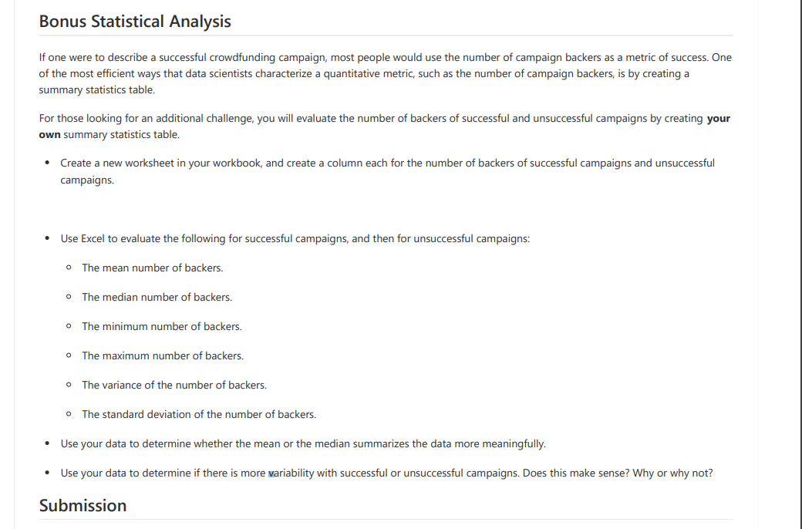
 | Successful Campaigns Backers Analysis
 | Mean | 194.4
 | Median | 62
 | Min | 1
 | Max | 26457
 | Var | 713167.37913
 | StD | 844.49237956

 | Unsuccessful Campaigns Backers Analysis
 | Mean | 19.5
 | Median | 3
 | Min | 0
 | Max | 1501
 | Var | 5246.5
 | StD | 72.4

 | 1. The Mean summarizes the data more meaningfully
 | https://courses.lumenlearning.com/introstats1/chapter/when-to-use-each-measure-of-central-tendency/
 | does median actually represent this better because the backer count is dependent on the goal amount?
 | larger goals will generally have more backers and smaller goals generally have fewer.
 | are the large backer amounts skewing the data to a larger degree? i.e. a backer count of 20000+
 | and vice versa with low counts of 0's

 | but then again is this just a sample? Is this the entire population in this example?

